PopulationReport
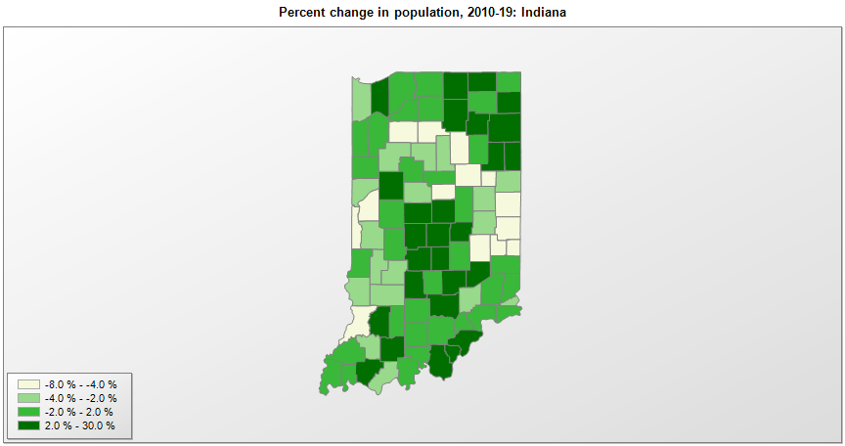

FIPS* | County name | RUC code | Pop. 1990 | Pop. 2000 | Pop. 2010 | Pop. 2019 | Change 2010-19
18000 | Indiana |  | 5,544,156 | 6,080,827 | 6,484,051 | 6,732,219 | 3.8%
18001 | Adams County | 6 | 31,095 | 33,605 | 34,384 | 35,777 | 4.1%
18003 | Allen County | 2 | 300,836 | 331,859 | 355,339 | 379,299 | 6.7%
18005 | Bartholomew County | 3 | 63,657 | 71,467 | 76,783 | 83,779 | 9.1%
18007 | Benton County | 3 | 9,441 | 9,427 | 8,836 | 8,748 | -1.0%
18009 | Blackford County | 6 | 14,067 | 14,042 | 12,766 | 11,758 | -7.9%
18011 | Boone County | 1 | 38,147 | 46,145 | 56,641 | 67,843 | 19.8%
18013 | Brown County | 1 | 14,080 | 14,953 | 15,244 | 15,092 | -1.0%
18015 | Carroll County | 3 | 18,809 | 20,168 | 20,160 | 20,257 | 0.5%
18017 | Cass County | 4 | 38,413 | 40,924 | 38,970 | 37,689 | -3.3%
18019 | Clark County | 1 | 87,774 | 96,446 | 110,222 | 118,302 | 7.3%
18021 | Clay County | 3 | 24,705 | 26,567 | 26,888 | 26,225 | -2.5%
18023 | Clinton County | 6 | 30,974 | 33,879 | 33,219 | 32,399 | -2.5%
18025 | Crawford County | 8 | 9,914 | 10,743 | 10,711 | 10,577 | -1.3%
18027 | Daviess County | 7 | 27,533 | 29,815 | 31,654 | 33,351 | 5.4%
18029 | Dearborn County | 1 | 38,835 | 46,163 | 50,027 | 49,458 | -1.1%
18031 | Decatur County | 6 | 23,645 | 24,559 | 25,739 | 26,559 | 3.2%
18033 | DeKalb County | 4 | 35,324 | 40,303 | 42,255 | 43,475 | 2.9%
18035 | Delaware County | 3 | 119,659 | 118,769 | 117,670 | 114,135 | -3.0%
18037 | Dubois County | 5 | 36,616 | 39,868 | 41,886 | 42,736 | 2.0%
18039 | Elkhart County | 3 | 156,198 | 182,793 | 197,569 | 206,341 | 4.4%
18041 | Fayette County | 6 | 26,015 | 25,591 | 24,301 | 23,102 | -4.9%
18043 | Floyd County | 1 | 64,404 | 70,815 | 74,579 | 78,522 | 5.3%
18045 | Fountain County | 6 | 17,808 | 17,962 | 17,240 | 16,346 | -5.2%
18047 | Franklin County | 6 | 19,580 | 22,187 | 23,098 | 22,758 | -1.5%
18049 | Fulton County | 7 | 18,840 | 20,502 | 20,856 | 19,974 | -4.2%
18051 | Gibson County | 6 | 31,913 | 32,473 | 33,503 | 33,659 | 0.5%
18053 | Grant County | 4 | 74,169 | 73,410 | 70,063 | 65,769 | -6.1%
18055 | Greene County | 6 | 30,410 | 33,152 | 33,172 | 31,922 | -3.8%
18057 | Hamilton County | 1 | 108,936 | 182,763 | 274,557 | 338,011 | 23.1%
18059 | Hancock County | 1 | 45,527 | 55,439 | 70,060 | 78,168 | 11.6%
18061 | Harrison County | 1 | 29,890 | 34,354 | 39,366 | 40,515 | 2.9%
18063 | Hendricks County | 1 | 75,717 | 104,051 | 145,456 | 170,311 | 17.1%
18065 | Henry County | 4 | 48,139 | 48,511 | 49,466 | 47,972 | -3.0%
18067 | Howard County | 3 | 80,827 | 84,961 | 82,748 | 82,544 | -0.2%
18069 | Huntington County | 6 | 35,427 | 38,078 | 37,123 | 36,520 | -1.6%
18071 | Jackson County | 4 | 37,730 | 41,397 | 42,376 | 44,231 | 4.4%
18073 | Jasper County | 1 | 24,823 | 30,192 | 33,481 | 33,562 | 0.2%
18075 | Jay County | 6 | 21,512 | 21,815 | 21,253 | 20,436 | -3.8%
18077 | Jefferson County | 6 | 29,797 | 31,712 | 32,400 | 32,308 | -0.3%
18079 | Jennings County | 6 | 23,661 | 27,561 | 28,529 | 27,735 | -2.8%
18081 | Johnson County | 1 | 88,109 | 115,181 | 139,855 | 158,167 | 13.1%
18083 | Knox County | 5 | 39,884 | 39,263 | 38,440 | 36,594 | -4.8%
18085 | Kosciusko County | 4 | 65,294 | 74,053 | 77,355 | 79,456 | 2.7%
18087 | LaGrange County | 6 | 29,477 | 34,789 | 37,131 | 39,614 | 6.7%
18089 | Lake County | 1 | 475,594 | 484,582 | 496,108 | 485,493 | -2.1%
18091 | LaPorte County | 3 | 107,066 | 110,099 | 111,466 | 109,888 | -1.4%
18093 | Lawrence County | 6 | 42,836 | 45,912 | 46,129 | 45,370 | -1.6%
18095 | Madison County | 1 | 130,669 | 133,322 | 131,637 | 129,569 | -1.6%
18097 | Marion County | 1 | 797,159 | 860,440 | 903,375 | 964,582 | 6.8%
18099 | Marshall County | 6 | 42,182 | 45,126 | 47,050 | 46,258 | -1.7%
18101 | Martin County | 7 | 10,369 | 10,367 | 10,380 | 10,255 | -1.2%
18103 | Miami County | 6 | 36,897 | 36,085 | 36,905 | 35,516 | -3.8%
18105 | Monroe County | 3 | 108,978 | 120,561 | 137,962 | 148,431 | 7.6%
18107 | Montgomery County | 6 | 34,436 | 37,629 | 38,121 | 38,338 | 0.6%
18109 | Morgan County | 1 | 55,920 | 66,705 | 68,926 | 70,489 | 2.3%
18111 | Newton County | 1 | 13,551 | 14,538 | 14,239 | 13,984 | -1.8%
18113 | Noble County | 6 | 37,877 | 46,468 | 47,538 | 47,744 | 0.4%
18115 | Ohio County | 1 | 5,315 | 5,568 | 6,098 | 5,875 | -3.7%
18117 | Orange County | 6 | 18,409 | 19,301 | 19,846 | 19,646 | -1.0%
18119 | Owen County | 3 | 17,281 | 21,781 | 21,573 | 20,799 | -3.6%
18121 | Parke County | 6 | 15,410 | 17,194 | 17,349 | 16,937 | -2.4%
18123 | Perry County | 6 | 19,107 | 18,887 | 19,338 | 19,169 | -0.9%
18125 | Pike County | 8 | 12,509 | 12,835 | 12,700 | 12,389 | -2.4%
18127 | Porter County | 1 | 128,932 | 146,806 | 164,289 | 170,389 | 3.7%
18129 | Posey County | 2 | 25,968 | 27,078 | 25,912 | 25,427 | -1.9%
18131 | Pulaski County | 6 | 12,780 | 13,626 | 13,382 | 12,353 | -7.7%
18133 | Putnam County | 1 | 30,315 | 36,060 | 37,945 | 37,576 | -1.0%
18135 | Randolph County | 6 | 27,148 | 27,411 | 26,176 | 24,665 | -5.8%
18137 | Ripley County | 6 | 24,616 | 26,508 | 28,812 | 28,324 | -1.7%
18139 | Rush County | 6 | 18,129 | 18,258 | 17,392 | 16,581 | -4.7%
18141 | St. Joseph County | 2 | 247,052 | 265,567 | 266,914 | 271,826 | 1.8%
18143 | Scott County | 1 | 20,991 | 22,976 | 24,195 | 23,873 | -1.3%
18145 | Shelby County | 1 | 40,307 | 43,380 | 44,379 | 44,729 | 0.8%
18147 | Spencer County | 8 | 19,490 | 20,385 | 20,955 | 20,277 | -3.2%
18149 | Starke County | 6 | 22,747 | 23,567 | 23,362 | 22,995 | -1.6%
18151 | Steuben County | 7 | 27,446 | 33,233 | 34,147 | 34,594 | 1.3%
18153 | Sullivan County | 3 | 18,993 | 21,736 | 21,475 | 20,669 | -3.8%
18155 | Switzerland County | 8 | 7,738 | 9,082 | 10,687 | 10,751 | 0.6%
18157 | Tippecanoe County | 3 | 130,598 | 148,954 | 172,803 | 195,732 | 13.3%
18159 | Tipton County | 6 | 16,119 | 16,601 | 15,936 | 15,148 | -4.9%
18161 | Union County | 1 | 6,976 | 7,341 | 7,516 | 7,054 | -6.1%
18163 | Vanderburgh County | 2 | 165,058 | 171,941 | 179,701 | 181,451 | 1.0%
18165 | Vermillion County | 3 | 16,773 | 16,790 | 16,210 | 15,498 | -4.4%
18167 | Vigo County | 3 | 106,107 | 105,859 | 107,852 | 107,038 | -0.8%
18169 | Wabash County | 6 | 35,069 | 34,968 | 32,888 | 30,996 | -5.8%
18171 | Warren County | 8 | 8,176 | 8,415 | 8,511 | 8,265 | -2.9%
18173 | Warrick County | 2 | 44,920 | 52,380 | 59,689 | 62,998 | 5.5%
18175 | Washington County | 1 | 23,717 | 27,204 | 28,254 | 28,036 | -0.8%
18177 | Wayne County | 5 | 71,951 | 71,087 | 68,996 | 65,884 | -4.5%
18179 | Wells County | 2 | 25,948 | 27,626 | 27,637 | 28,296 | 2.4%
18181 | White County | 6 | 23,265 | 25,264 | 24,638 | 24,102 | -2.2%
18183 | Whitley County | 2 | 27,651 | 30,617 | 33,287 | 33,964 | 2.0%

Source: U.S. Census Bureau, 1990, 2000, and 2010 Censuses of Population (corrected), and 2019 County Total Population Estimates. 1) The FIPS codes uniquely identify each county and are part of the Federal Information Processing Standards (FIPS) developed by the National Institute of Standards and Technology (NIST), U.S. Department of Commerce. For more information, see the NIST FIPS publication page. 2) The 2013 rural-urban continuum codes classify metropolitan counties (codes 1 through 3) by size of the Metropolitan Statistical Area (MSA), and nonmetropolitan counties (codes 4 through 9) by degree of urbanization and proximity to metro areas. See rural-urban continuum codes for precise definitions of each code.

